table
 |  |  |  |  |  | Hardy-Weinberg Signficance |  |  | Minor Allele Frequency |  |  | Function
 | E-value | Accession # | Genomic BLAST | function | Gene Name | Kodiak | PWS | Togiak | Kodiak | PWS | Togiak | Specifc | General
a12 | 9.22 | Q5A4H4 | Saga-associated factor 11 (yeast) | regulation of transcription | Neural cell adhesion molecule L1 | 0.78 | - | 0.38 | 0.29 | - | 0.23 | cell adhesion | cell adhesion
e09 | 9.55E-18 | Q8TBZ6 | RNA (guanine-9-)methyltransferase domain-containing protein 2 (Human) | methyltransferase activity | Leucine-rich alpha-2-glycoprotein | 0.11 | - | 0.00 | 0.33 | - | 0.21 | brown fat cell differentiation | other biological processes
b09 | 9.57E-10 | Q9H222 | ATP-binding cassette sub-family G member 5 (Human) | cholesterol homeostasis | ATP-binding cassette sub-family G member 5 | 1.00 | 0.14 | M | 0.26 | 0.23 | 0.01 | response to drug | stress response
c07 | 2.00E-04 | NM_001173797 | Transcription factor Sox-11 (Salmo salar) | regulation of transcription | Transcription factor Sox-11 | 0.76 | 0.16 | M | 0.22 | 0.25 | 0.01 | regulation of transcription | RNA metabolism
c09 |  |  | no hit |  | 28 kDa heat- and acid-stable phosphoprotein | 0.17 | 0.19 | 0.03 | 0.25 | 0.27 | 0.02 | signal transduction | signal transduction
e11 |  |  | no hit |  | Probable carboxypeptidase PM20D1 | 0.60 | 0.55 | 0.08 | 0.26 | 0.22 | 0.03 | proteolysis | protein metabolism
g07 | 1.34E-11 | O54749 | Cytochrome P450 2J5 (mouse) | oxidation reduction | Cytochrome P450 2J2 | 0.00 | 0.00 | 0.19 | 0.13 | 0.14 | 0.38 | oxidation reduction | other metabolic processes
b12 | 2.88E-14 | Q9Y4X1 | UDP-glucuronosyltransferase 2A2 (Human) | sensory perception of smell | UDP-glucuronosyltransferase 2A2 | 0.16 | 0.05 | 0.02 | 0.23 | 0.25 | 0.23 | metabolic process | other metabolic processes
c03 |  |  | no hit |  | Microsomal glutathione S-transferase 3 | 0.59 | 0.44 | 0.10 | 0.32 | 0.28 | 0.20 | response to oxidative stress | stress response
c04 |  |  | no hit |  | GRAM domain-containing protein 3 | 0.78 | 0.42 | 0.00 | 0.31 | 0.28 | 0.20 | unknown | other biological processes
f02 | 1.62E-12 | Q08BB2 | Probable carboxypeptidase PM20D1 (zebrafish) | metal ion binding | Unknown | 0.31 | 0.26 | 1.00 | 0.28 | 0.25 | 0.12 | No hit | No hit
g03 | 0.37 | Q9PEN3 | Cysteinyl-tRNA synthetase (bacteria) | cysteinyl-tRNA aminoacylation | Increased rDNA silencing protein 4 | M | M | 1.00 | 0.01 | M | 0.02 | lipid metabolic process | other metabolic processes
h04 | 6.53E-14 | Q6NZZ3 | UPF0669 protein C6orf120 homolog (zebrafish) |  | UPF0669 protein C6orf120 homolog | 0.45 | 0.18 | 1.00 | 0.20 | 0.19 | 0.17 | unknown | other biological processes
d01 | 9.55E-18 | P04114 | Apolipoprotein B-100 (human) | response to virus | Apolipoprotein B-100 | 0.12 | 0.02 | 0.27 | 0.29 | 0.20 | 0.06 | response to selenium ion | stress response

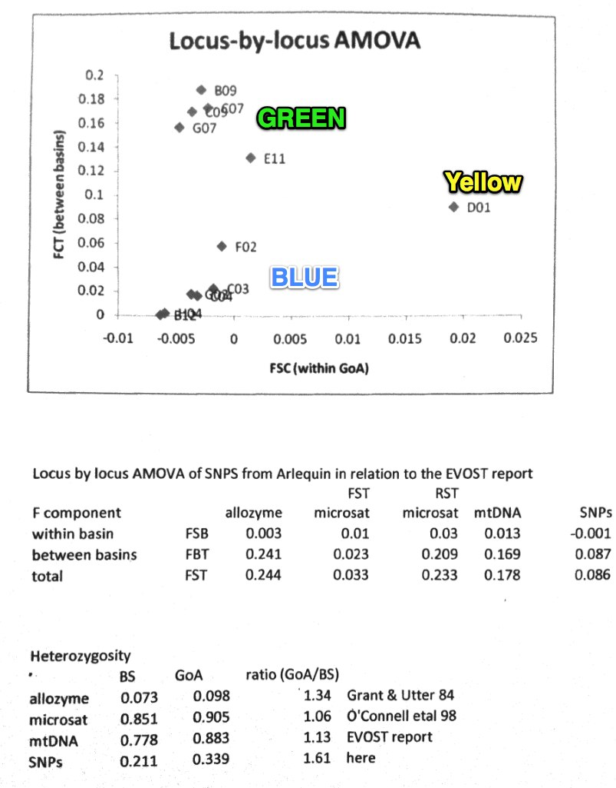

 |  |  | WHITE CELLS IN COLUMN C - DO NOT SEE IN CHART

